Cover
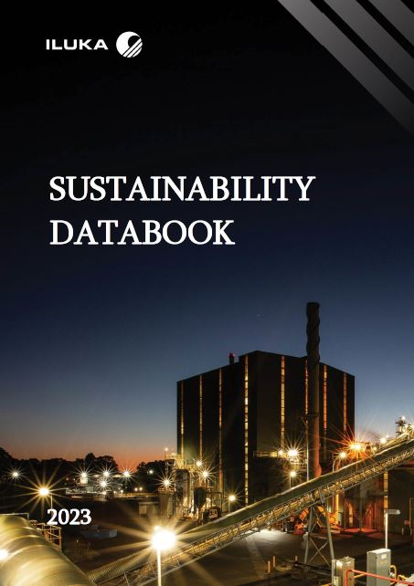

Energy and emissions
 |  |  |  |  | Sustainability Data Book 2023
 |  |  |  |  | CONTENTS TAB

Energy and emissions

Energy and emissions overview - Iluka Resources Limited
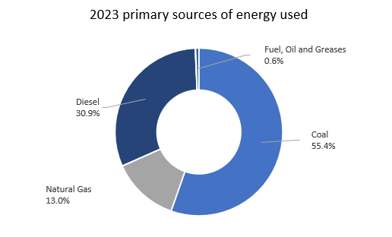
Energy use - Iluka Resources Limited | 2023 | 2022 | 2021 | 2020 | 2019 | 2018
Total energy consumed (petajoule) | 6.5(a) | 5.89 | 4.92 | 5.49 | 5.46
Energy intensity (megajoules per tonne of product)(b) | 10.16 | 9.96 | 7.65 | 10.37 | 9.82
(a) Includes energy consumption from renewable sources.
(b) Includes zircon, synthetic rutile, rutile and monazite products.

Primary sources of energy used (percentage) - Iluka Resources Limited | 2023 | 2022 | 2021 | 2020 | 2019
Coal | 55% | 56.7% | 52.9% | 51.8% | 61.1%
Natural gas | 13% | 14.2% | 15.2% | 10.7% | 12.3%
Liquified petroleum gas | 0.01% | 0.01% | 0.02% | 0.2% | 0.01%
Diesel | 30.9% | 28.5% | 31.3% | 36.7% | 26.4%
Petrol | 0.1% | 0.1% | 0.1% | 0.003% | 0.04%
Fuel, oil and greases | 0.6% | 0.5% | 0.5% | 0.6% | 0.2%
Total(a) | 100% | 100% | 100% | 100% | 100%
(a) Some total figures may vary due to rounding.

Energy use by Iluka country/regional presence (petajoule) - Iluka Resources Limited | 2023 | 2022 | 2021 |  |  | 2018
Australia - Total | 6.47 | 5.82 | 4.84
Australia - Mid West region | 0.68 | 0.62 | 0.59
Australia - South West region | 5.11 | 4.49 | 3.53
Australia - Eucla Basin | 0.63 | 0.59 | 0.65
Australia - Murray Basin | 0.04 | 0.11 | 0.07
Australia - Exploration activities | 0.005 | 0.005 | 0.005
United States of America | 0.03 | 0.07 | 0.08

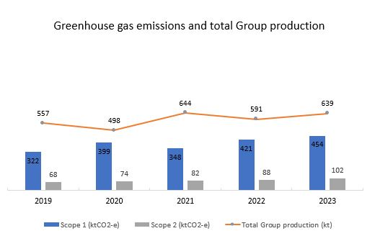
Greenhouse gas emissions - Iluka Resources Limited | 2023 | 2022 | 2021 | 2020 | 2019 | 2018
Scope 1 emissions (kilo tonnes of CO2 equivalent) | 454 | 421 | 348 | 399 | 322
Scope 2 emissions (kilo tonnes of CO2 equivalent) | 102 | 88 | 82 | 74 | 68
Total Scope 1 and Scope 2 emissions | 556 | 509 | 430 | 473 | 390
Greenhouse gas emissions intensity (tonnes of CO2 equivalent per tonne of product)(a) | 0.87 | 0.86 | 0.67 | 0.95 | 0.7
(a) Emissions intensity includes Scope 1 and Scope 2 emissions. Includes zircon, synthetic rutile, rutile and monazite products.

2023 Greenhouse gas emissions by Iluka country of presence (kilo tonnes of CO2 equivalent) - Iluka Resources Limited | Scope 1 emissions | Scope 2 emissions | Total emissions
Australia | 452 | 101 | 555
United States of America | 2 | 1 | 3
Total Scope 1 and Scope 2 emissions | 454 | 102 | 558

Sources of total greenhouse gas emissions (percentage) - Iluka Resources Limited | 2023 | 2022 | 2021 | 2020 | 2019
Coal | 52% | 53.8% | 49.7% | 50.4% | 51.4%
Net purchases of electricity | 18.4% | 17.3% | 19.0% | 15.6% | 17.4%
Natural gas and liquified petroleum gas | 7.0% | 7.7% | 8.1% | 5.9% | 7.9%
Diesel | 22.7% | 21.1% | 23.0% | 27.8% | 23.2%
Petrol | 0.1% | 0.1% | 0.1% | 0.1% | 0.1%
Fuel, oil and greases | 0.1% | 0.1% | 0.1% | 0.1% | 0.1%
Total(a) | 100% | 100% | 100% | 100% | 100%
(a) Some total figures may vary due to rounding.

Other emissions (tonnes)(a) - Iluka Resources Limited | 2023 | 2022 | 2021 | 2020 | 2019
Methane (CH4) | 141 | 124 | 115 | 110 | 192
Nitrous Oxide (N20) | 761 | 601 | 739 | 862 | 510
Hydrofluorocarbons (HFCs) | 0 | 0 | 0 | 0 | 0
Perfluorocarbons (PFCs) | 0 | 0 | 0 | 0 | 0
Sulphur Hexafluoride (SF6) | 50 | 29 | 29 | 28 | 15
(a) Figures are reported for financial period (01 July to 30 June) of each year.

